Sheet1
Our competitor.
we go buy
sugargoo
yoybuy
Before you start working, please search YouTube and check what kind of work the sites are doing.

 | BBABAE ordering process.

The buyer searches the search term or the specific url of Taobao Weidien 1688, which he found, in the search bar of our site.
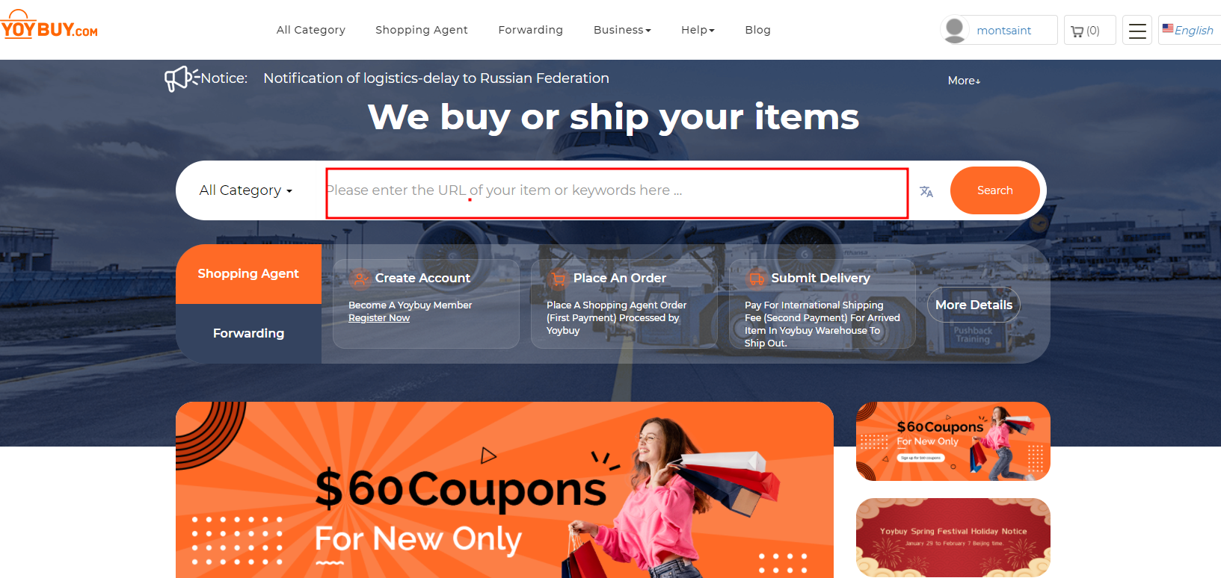

Search word search value. |  | Convert a specific url page

https://www.yoybuy.com/k/bag.html |  | https://sugargoo.com/index/item/index.html?tp=taobao&tid=537024038942&sales=600
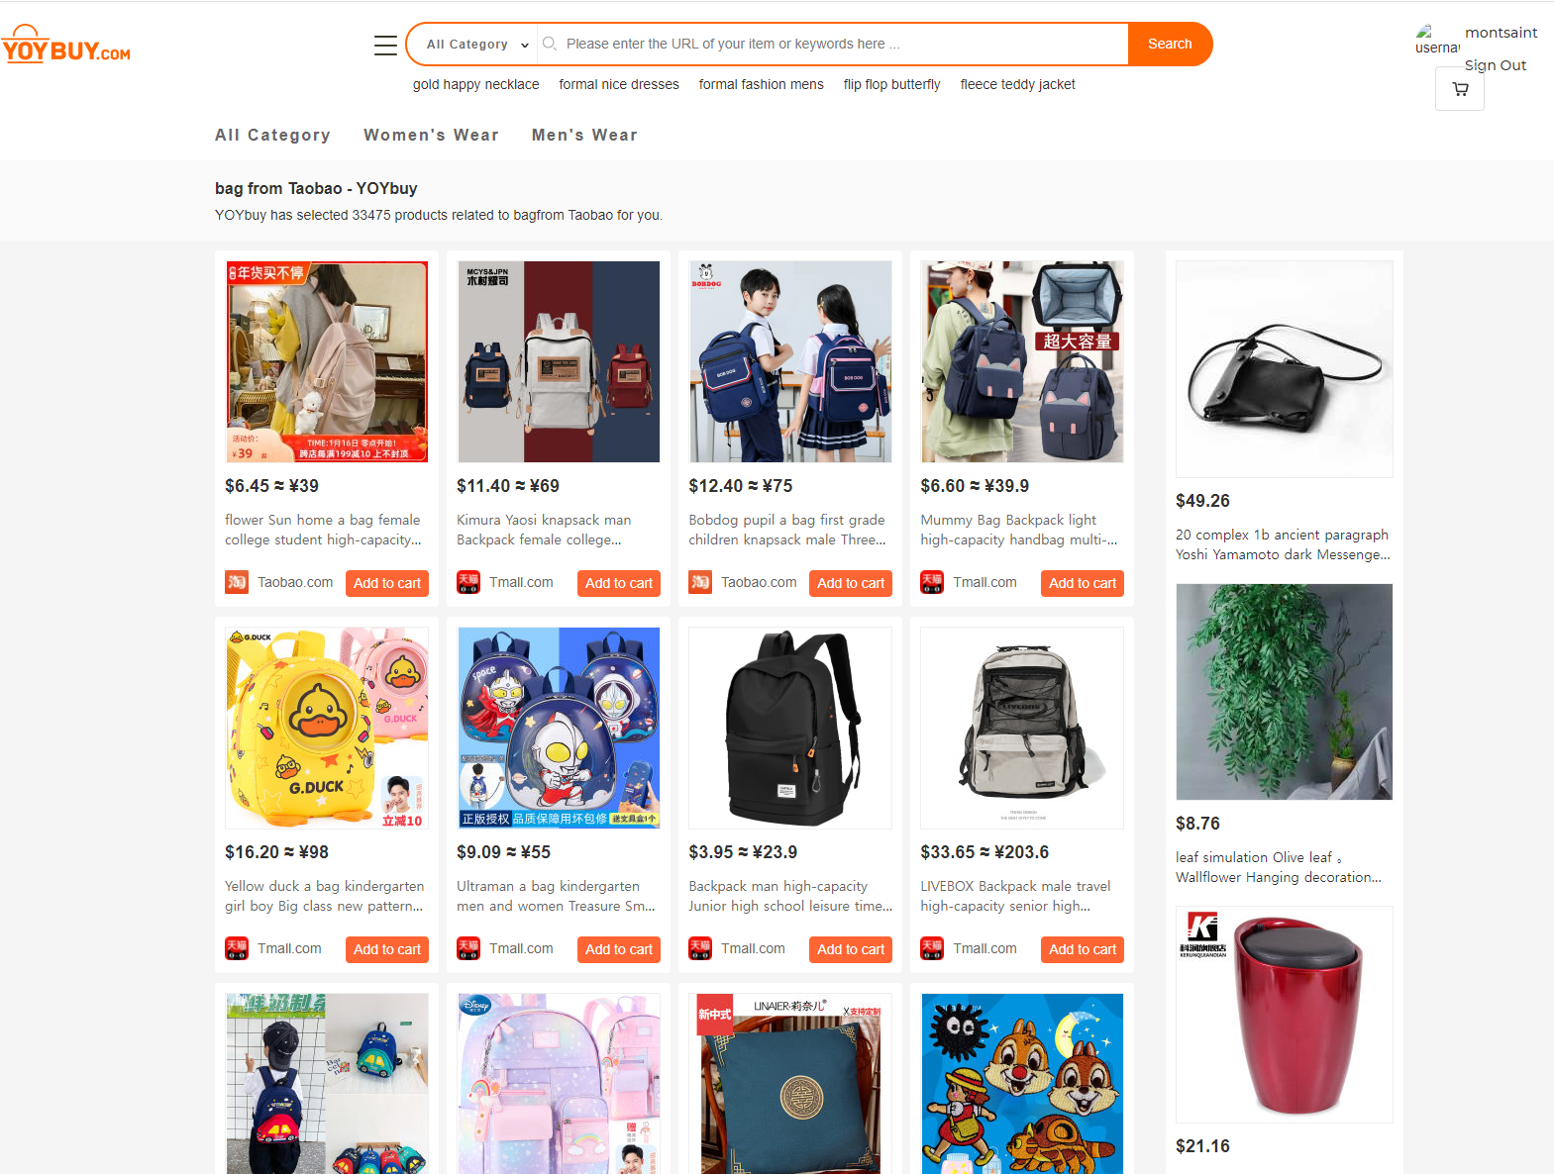
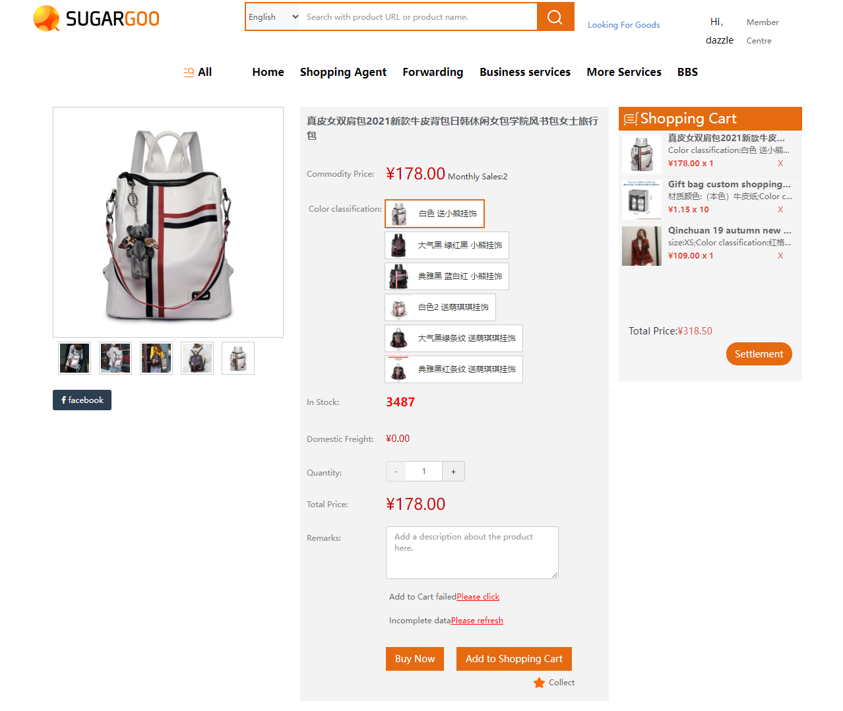

The pages that can be ordered manually are as follows.

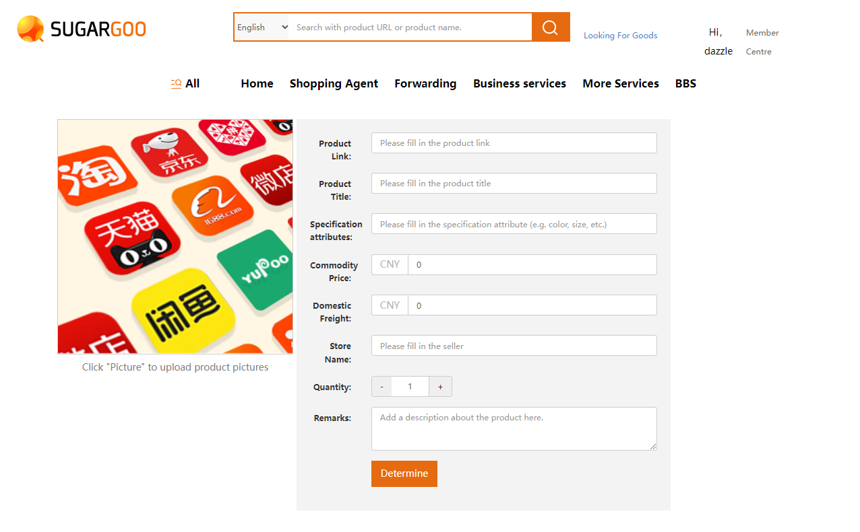

The buyer adds the product he wants to purchase to the cart and proceeds with the payment.
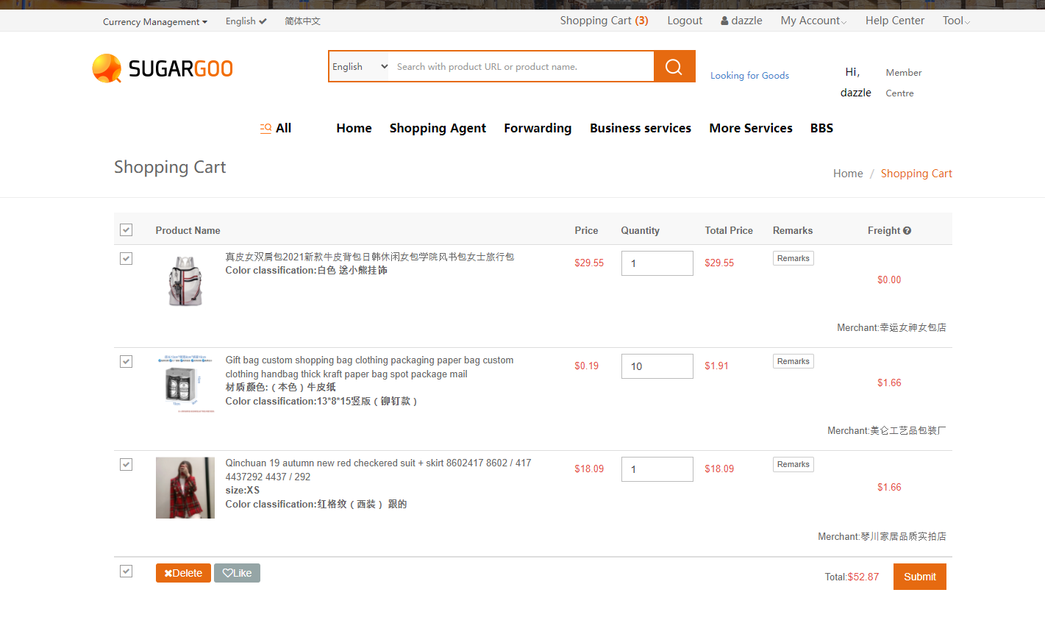

We place orders from each customer on each site with our company account.
At this time, each customer needs a unique mailbox number, and the above should be granted when the buyer first joins our site.
With this unique mailbox number, we process the customer's order and send a notification to the customer when all the orders that have been paid in the cart arrive.
At this stage, the admin needs the ability to enter the invoice number for each store of the order in the cart, and sometimes the seller sends the wrong product or is out of stock.
When the product is out of stock, we send a notification to the buyer who purchased the product, refund the product, and pay the refund amount to the buyer's account in the form of reserves
(This amount can be used to proceed with next week's order or to pay for international shipping)

In addition, the employees of our warehouse are different from those who order products, and those who ship them after inspection.
Therefore, when searching with the domestic invoice number, mailbox number, and the customer's ID on the admin panel, overall information on the order should be known.
Current status of each order.
Product order completed.
Domestic invoice input status released.
When the product arrives, the invoice number is scanned or searched for barcode to check reverse throughout the customer's total order.
Comment on the status of the product that arrived (upload photo)
If a defect is identified, check with the seller and exchange or return it.
ex) If one of a total of three orders arrives first, write down a specific location in our warehouse so that it is easy to find when the rest of the goods come in.
ex) Each product should be able to leave comments such as the 3rd compartment of shelf A/the 2nd compartment of shelf B, etc.

When all products are in normal warehousing, we measure the weight and process them completely, and the customer is notified, comes to our page, selects packaging and delivery options, and pays as much as that amount.

We enter the international bill of lading number after shipment.

